Overview
 Business/MDU Estimate Request

Provider | None | Date Requested: | 2022-02-24 |  | GIS Create Telco Site ID | No | Drop Type | Underground
Requestor or Rep |  | Onsite Contact: |  |  | GIS Create Customer Site ID | No | Lit Building | No
Company Name |  | Customer Email: |  |  |  |  | Lit Building New Device | No
Customer Contact: |  | Onsite Contact: |  |  |  |  | Parade Route | No
Opportunity Address: |  | Customer Email: |  |  |  |  | Reference ID
City | Salt Lake City | Property Owner Phone |  |  |  |  | Telco Site ID
Provider Phone: |  | Bandwidth |  |  | Cabinet Location |  | Customer Site ID #1
Provider Email: |  | SP Contact: |  |  | Footprint ID: | OR031 | Customer Site ID #2
Install Notes | Map |  |  |  |  |  | Permitts
 |  |  |  |  |  |  | Are Special Permits needed/ OSP?
 |  |  |  |  |  |  | Project Assignments
 |  |  |  |  |  |  | Conduit: | B Jackson
 |  |  |  |  |  |  | Pneumatic Air Bore | YES
 |  |  |  |  |  |  | Aerial Constrution | No

 |  |  |  |  |  |  | Installation | TCB & UTOPIA
 |  |  |  |  |  |  | Aerial Constrution | NO

 |  |  |  |  |  |  | Splicing
 |  |  |  |  |  |  | Drop Type | Underground
 |  |  |  |  |  |  | Drop length
 |  |  |  |  |  |  | Origin Cable Tag
 |  |  |  |  |  |  | Origin Fiber
 |  |  |  |  |  |  | Drop Cable Tag
 |  |  |  |  |  |  | Drop Splice From Cable Tag
 |  |  |  |  |  |  | Drop Splice From Fiber
 |  |  |  |  |  |  | Drop Fiber
 |  |  |  |  |  |  | Drawer
 |  |  |  |  |  |  | Tray
 |  |  |  |  |  |  | Slot

 |  |  |  |  |  |  | GIS Notes

 |  |  |  |  |  |  | 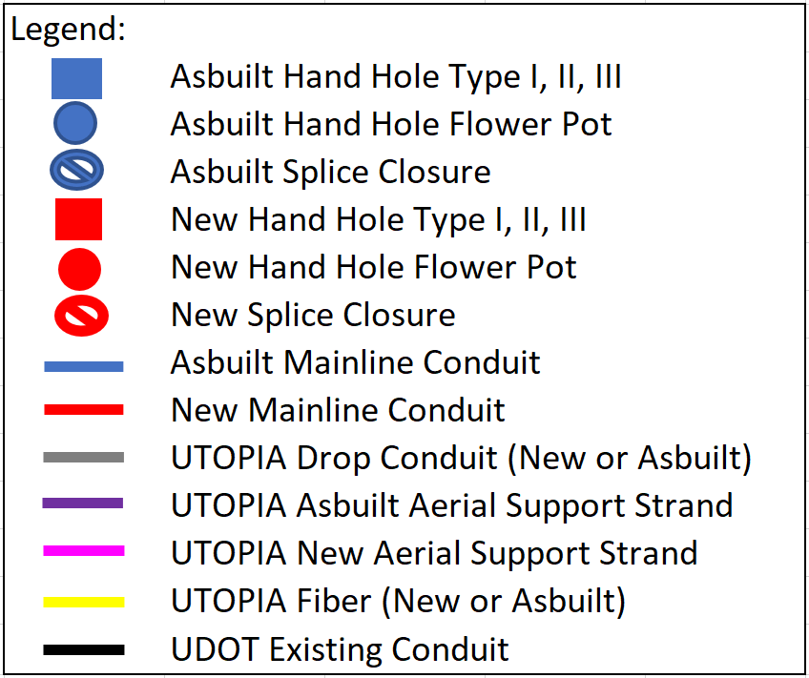

 |  |  | OSP Number
 |  |  | PND Number
 |  |  | Estimate and Design by: | Jed Peacock

